picture
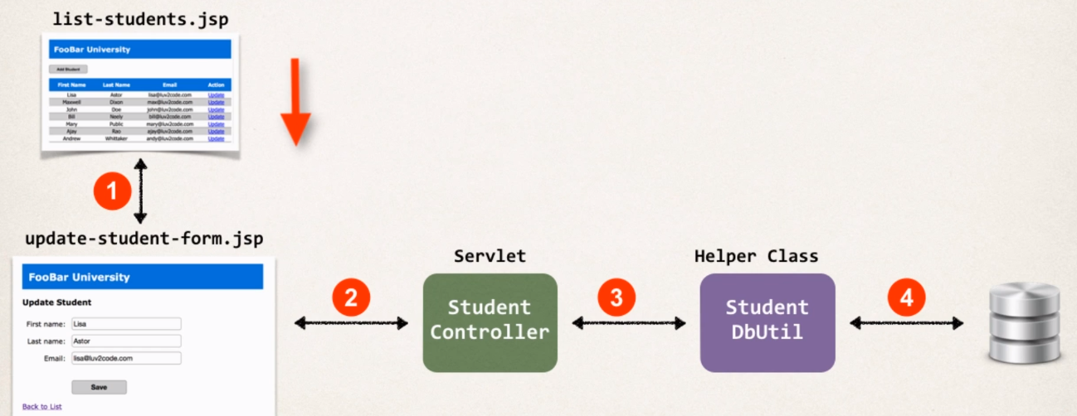

Creating the Update Link
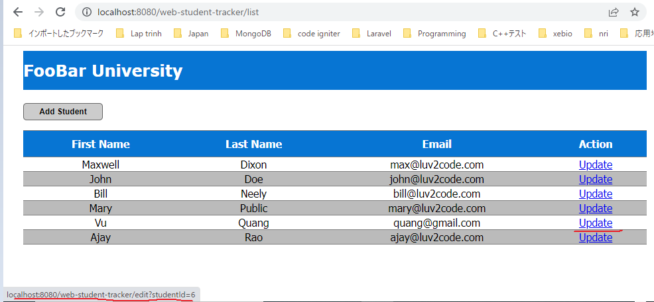
Creating the Update Link list-students.jsp
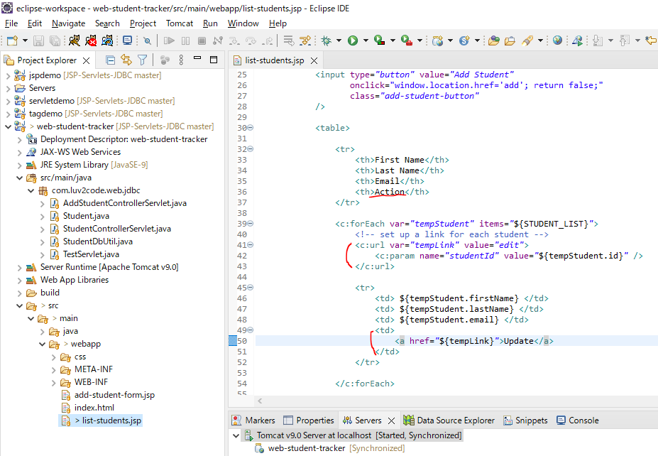

Restart server
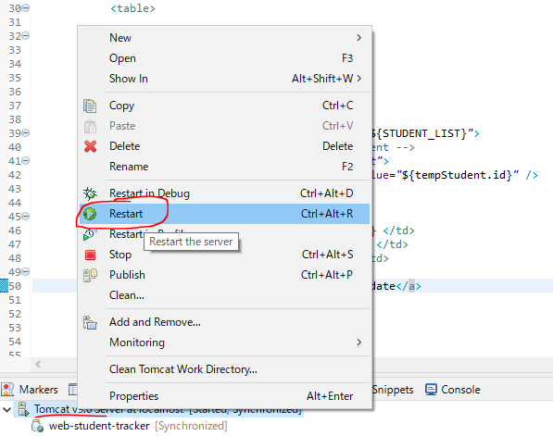

Access URL to test

Prepopulating the HTML Form
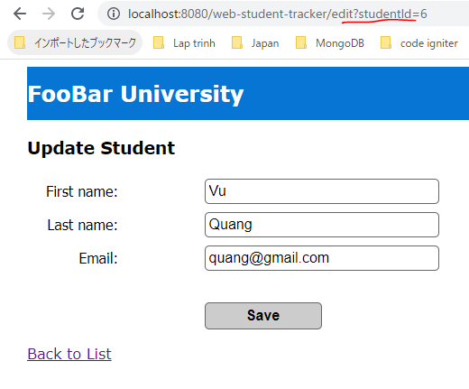
Create EditStudentControllerServlet
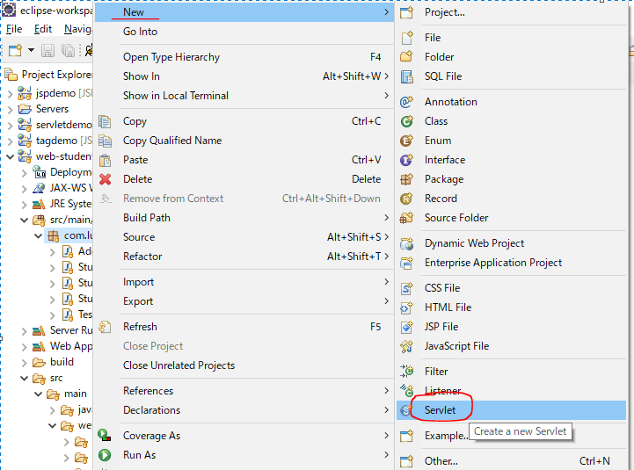

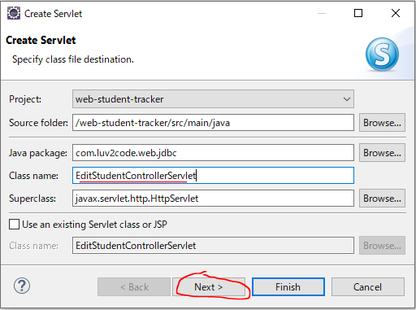

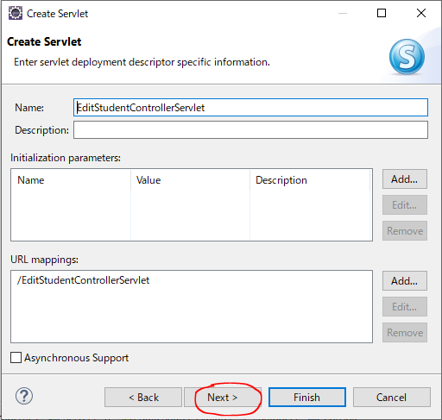

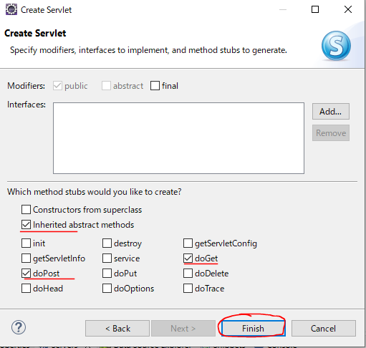

Init
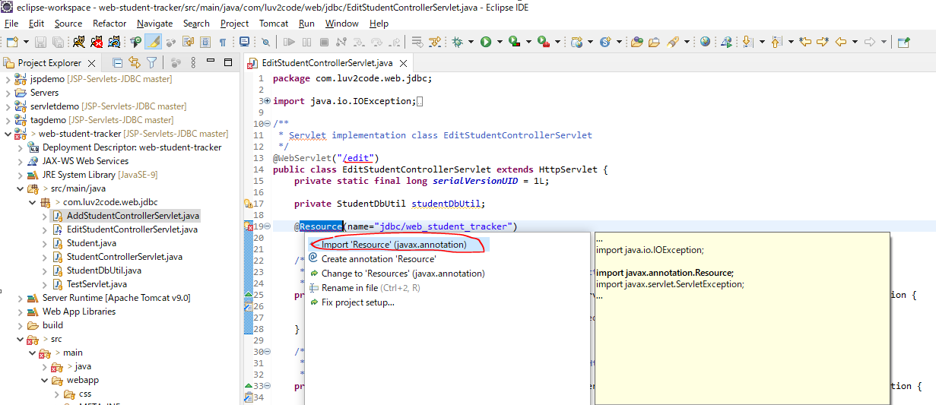

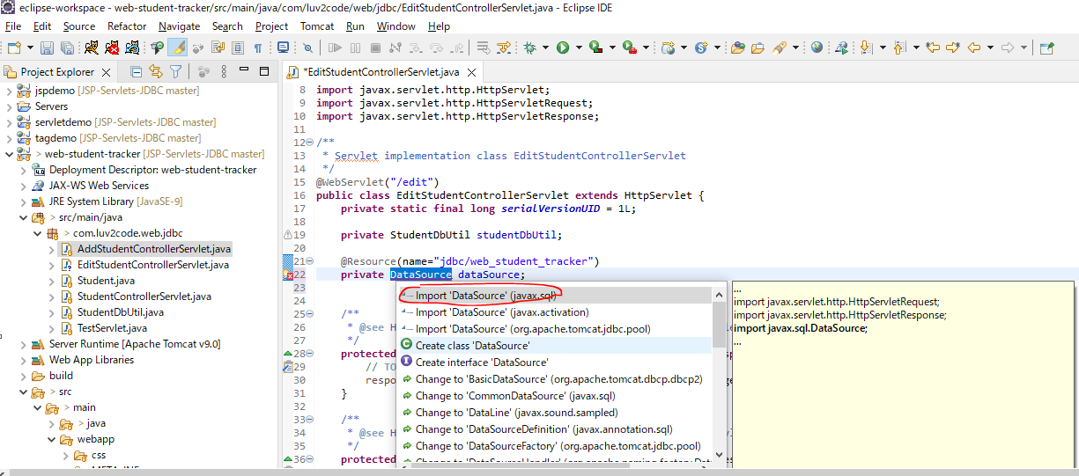

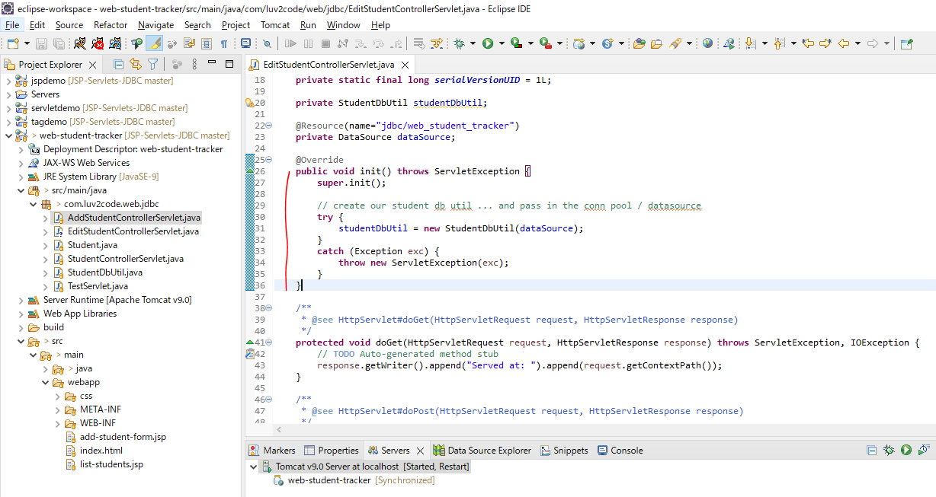

doGet method
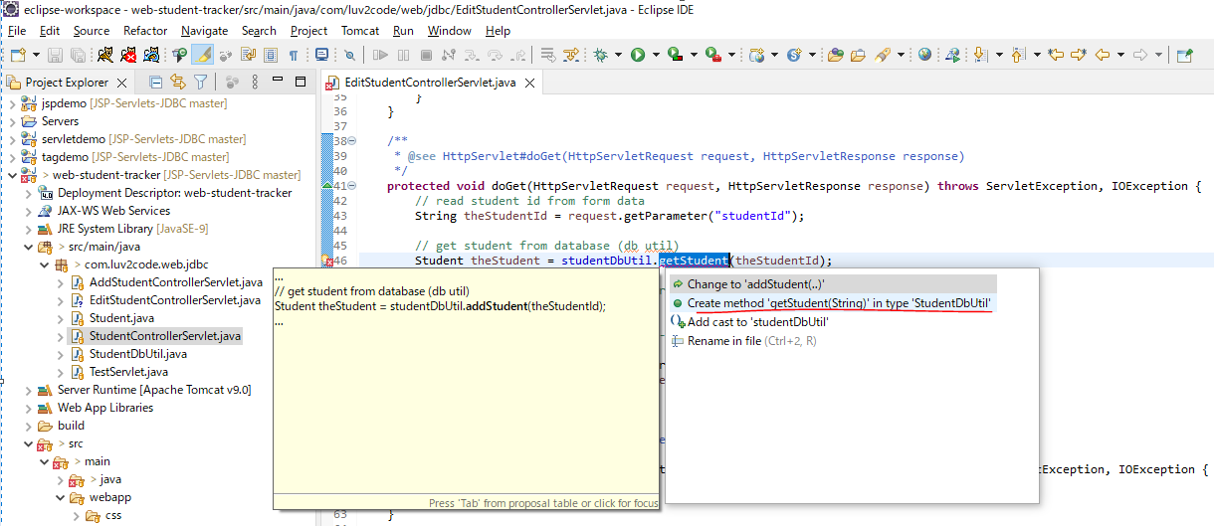

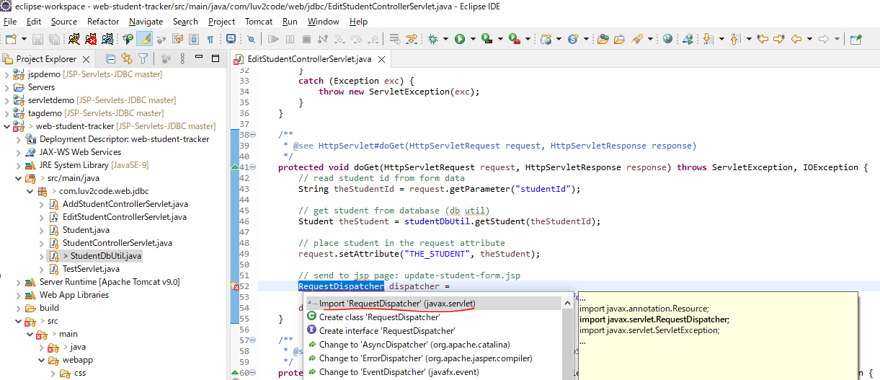

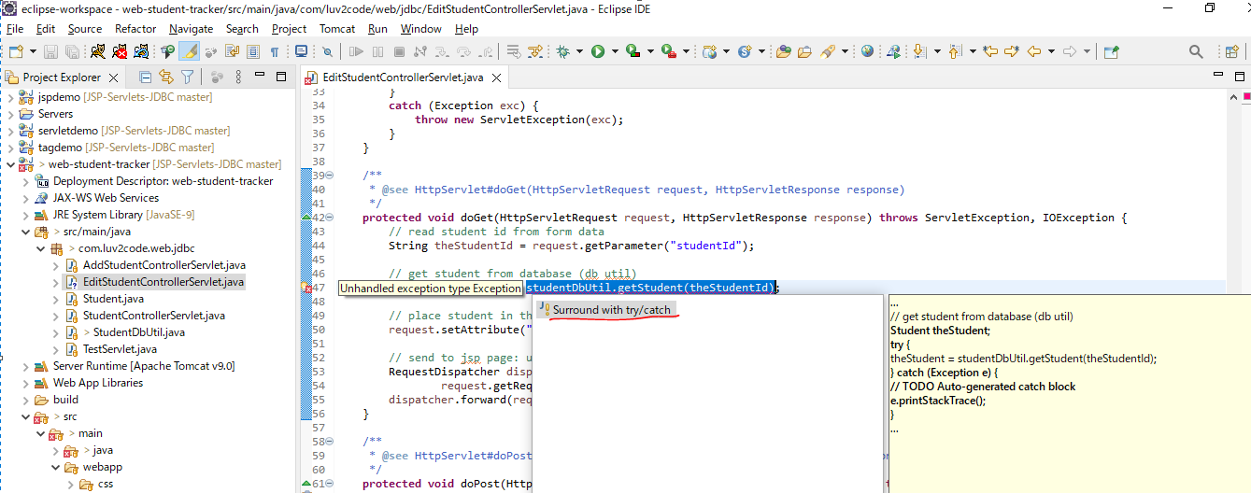

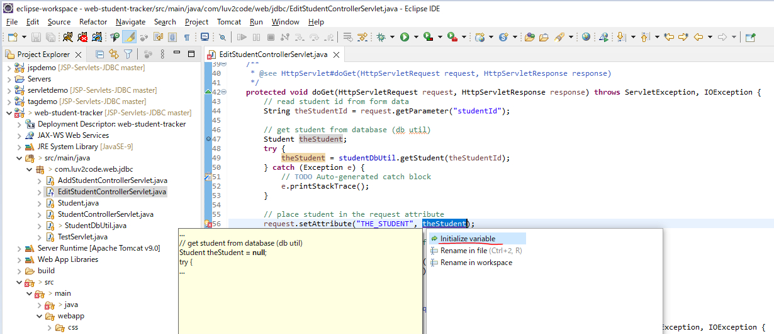

getStudent method in StudentDbUtil Class
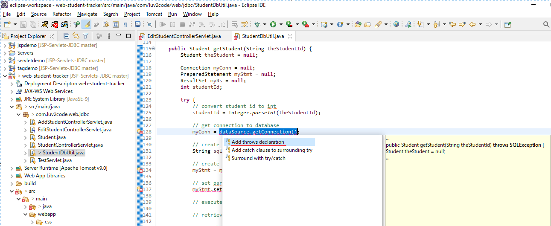

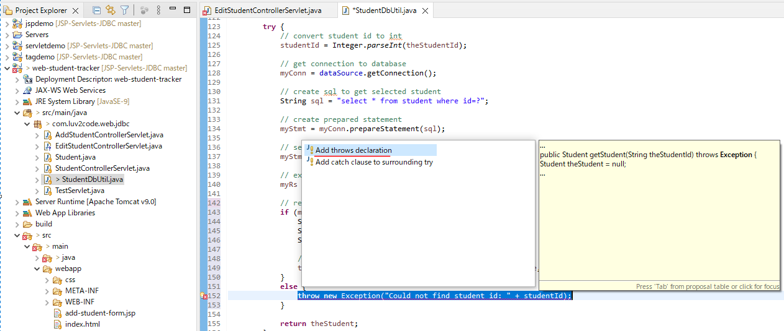

 | All code
 |  | public Student getStudent(String theStudentId) throws Exception {
 |  |  | Student theStudent = null;

 |  |  | Connection myConn = null;
 |  |  | PreparedStatement myStmt = null;
 |  |  | ResultSet myRs = null;
 |  |  | int studentId;

 |  |  | try {
 |  |  |  | // convert student id to int
 |  |  |  | studentId = Integer.parseInt(theStudentId);

 |  |  |  | // get connection to database
 |  |  |  | myConn = dataSource.getConnection();

 |  |  |  | // create sql to get selected student
 |  |  |  | String sql = "select * from student where id=?";

 |  |  |  | // create prepared statement
 |  |  |  | myStmt = myConn.prepareStatement(sql);

 |  |  |  | // set params
 |  |  |  | myStmt.setInt(1, studentId);

 |  |  |  | // execute statement
 |  |  |  | myRs = myStmt.executeQuery();

 |  |  |  | // retrieve data from result set row
 |  |  |  | if (myRs.next()) {
 |  |  |  |  | String firstName = myRs.getString("first_name");
 |  |  |  |  | String lastName = myRs.getString("last_name");
 |  |  |  |  | String email = myRs.getString("email");

 |  |  |  |  | // use the studentId during construction
 |  |  |  |  | theStudent = new Student(studentId, firstName, lastName, email);
 |  |  |  | }
 |  |  |  | else {
 |  |  |  |  | throw new Exception("Could not find student id: " + studentId);
 |  |  |  | }

 |  |  |  | return theStudent;
 |  |  | }
 |  |  | finally {
 |  |  |  | // clean up JDBC objects
 |  |  |  | close(myConn, myStmt, myRs);
 |  |  | }
 |  | }

Add update-student-form.jsp
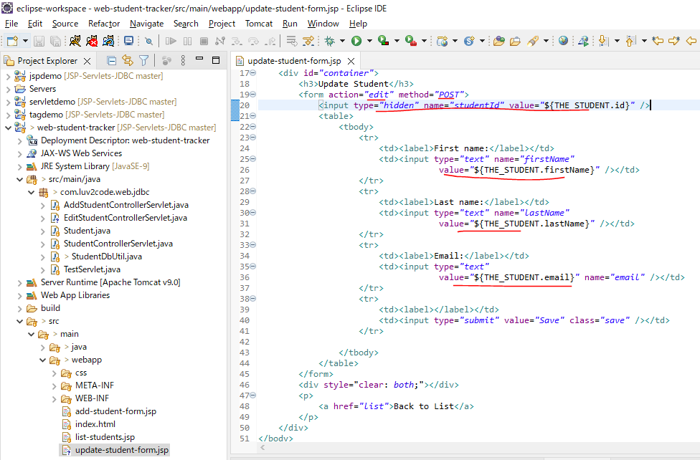

Restart Server
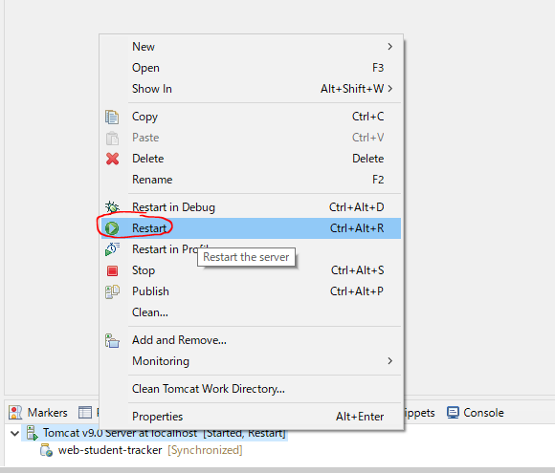

Access URL to test
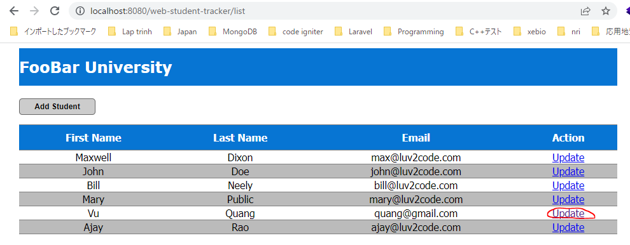

 | Edit page redirected

Developing the Servlet
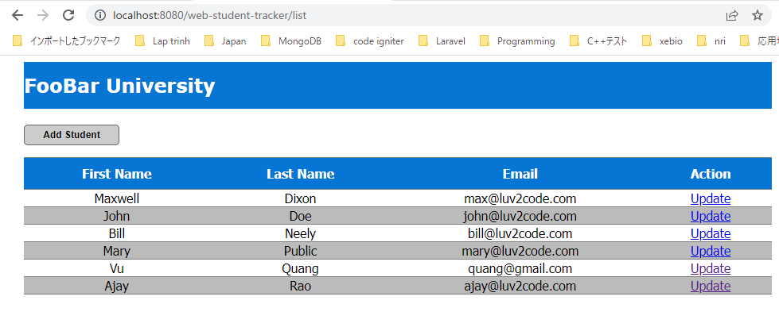
doPost method
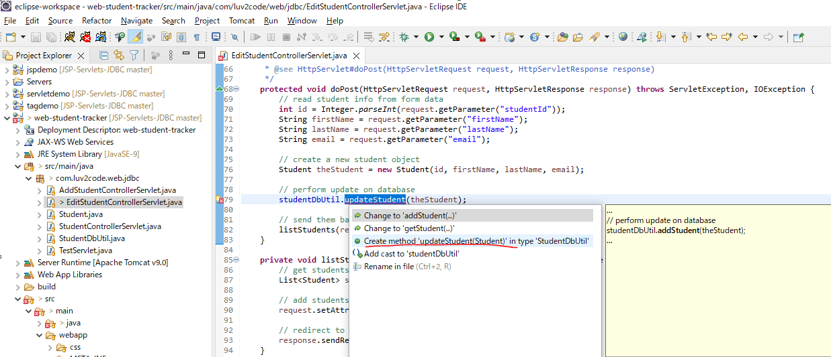

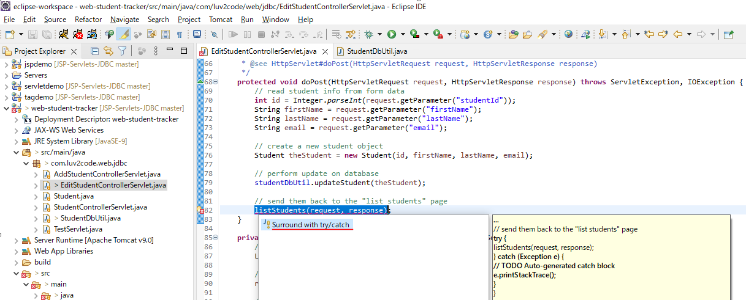

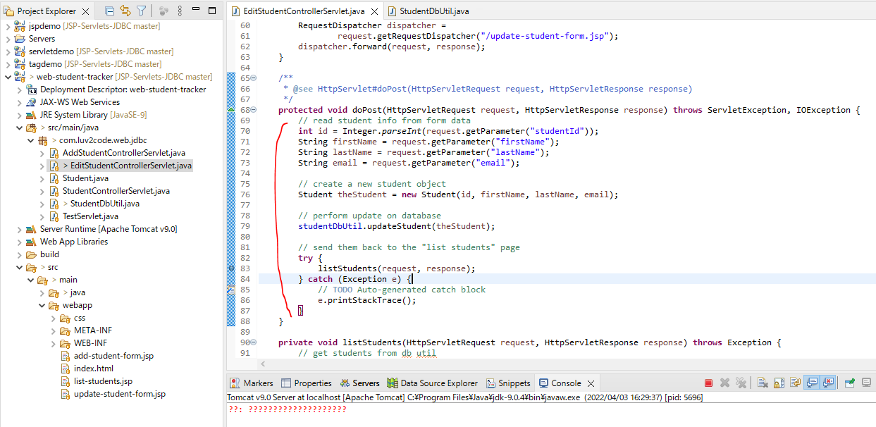

updateStudent created in StudentDbUtil class
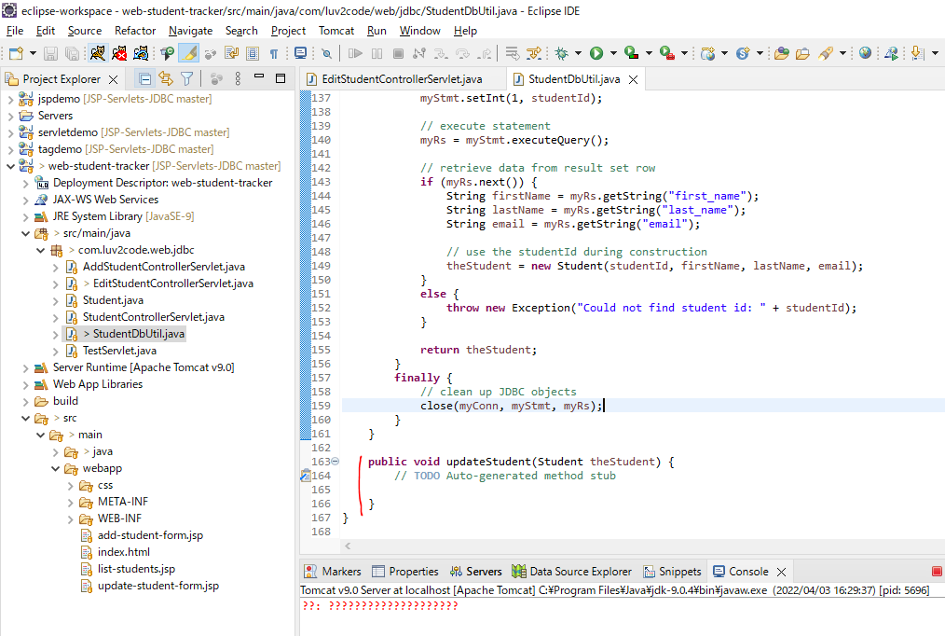

Restart Server
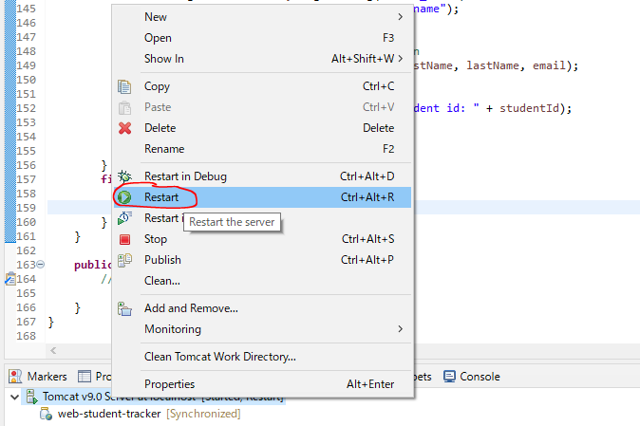

Access Url to check do not anything after click save bottun on edit view, rediected to list view
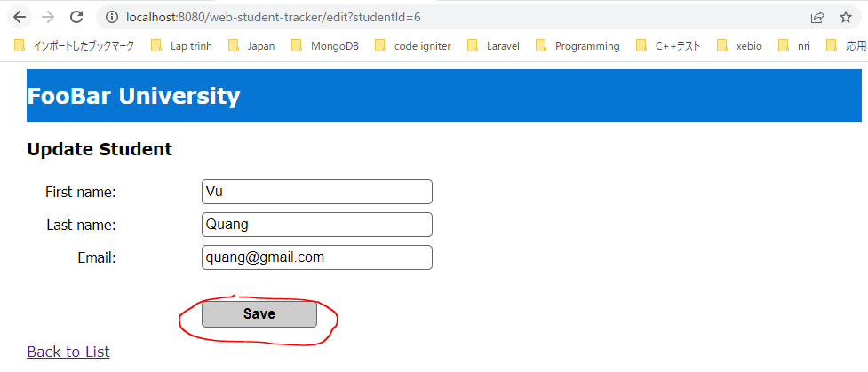

 | List view

Creating the JDBC Code
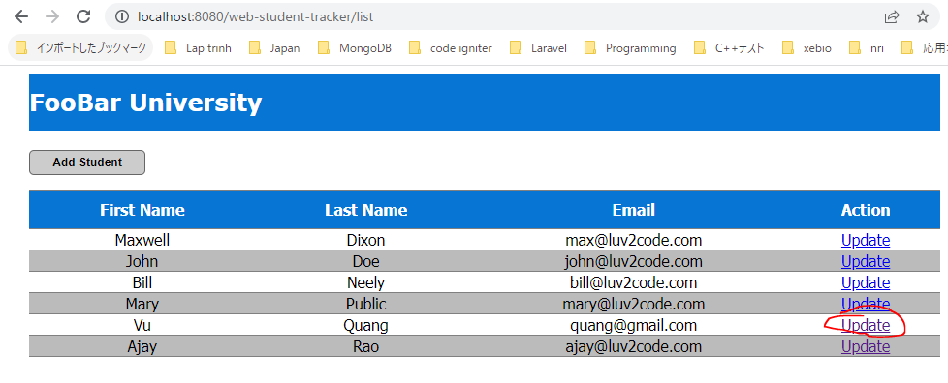
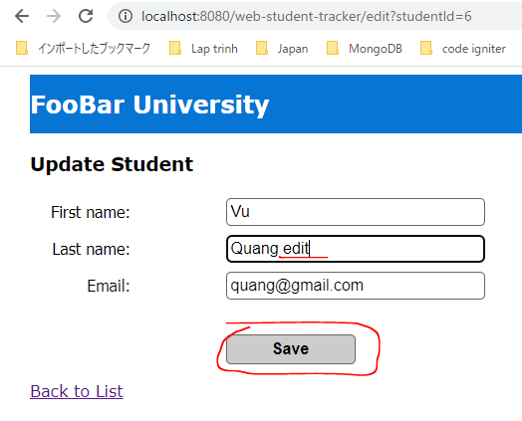
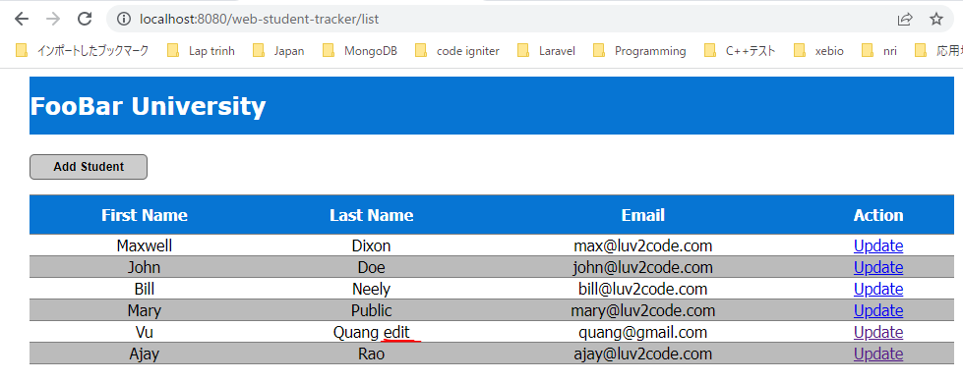
updateStudent method in StudentDbUtil Class
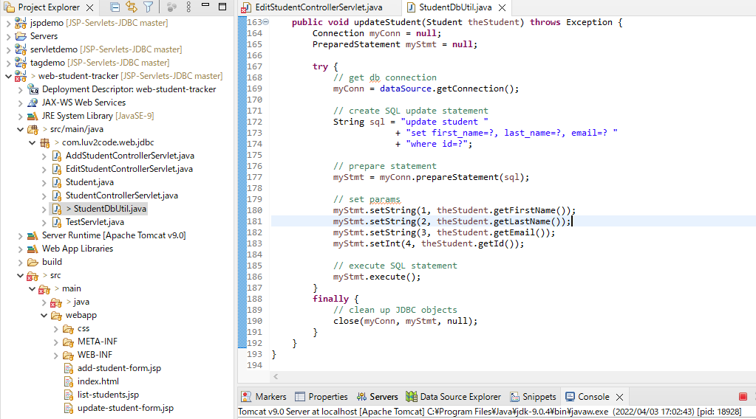

doPost in EditStudentControllerServlet Class
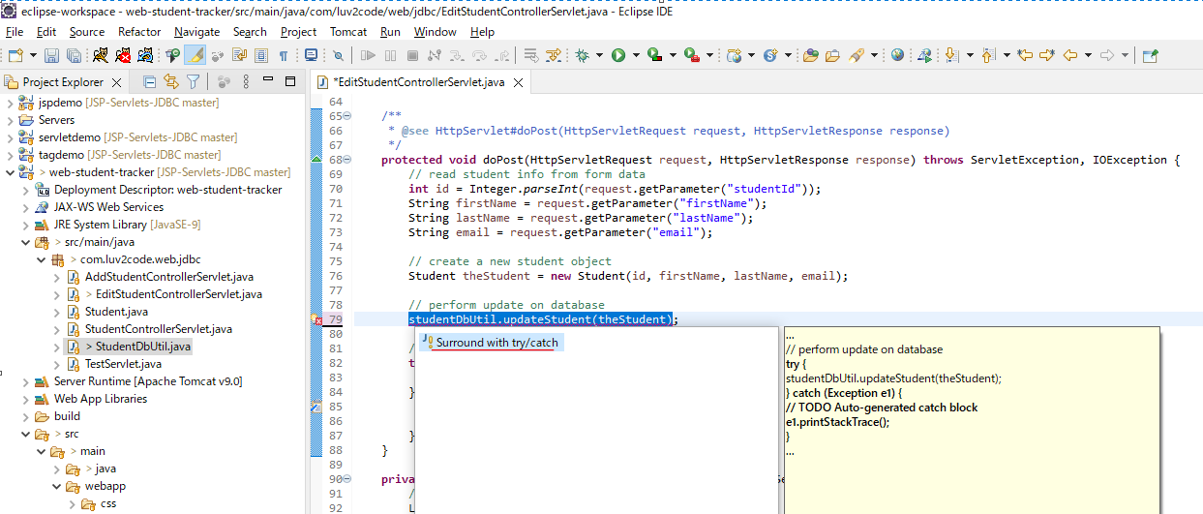

Restart Server
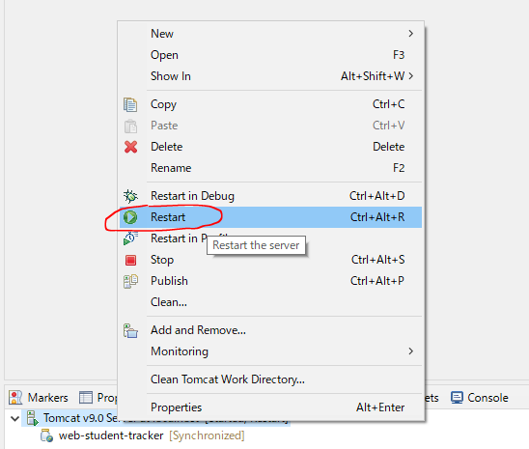

Access Url to check

